Matches in each city
city | Count of city
Mumbai | 101
Kolkata | 77
Bengaluru | 77
Delhi | 73 | city | Count of city
Hyderabad | 64 | Mumbai | 101
Chennai | 57 | Kolkata | 77
Jaipur | 47 | Bengaluru | 77
Chandigarh | 46 | Delhi | 73
Pune | 38 | Hyderabad | 64
Durban | 15 | Grand Total | 392
City with count of matches
Visakhapatnam | 12
Centurion | 12
Ahmedabad | 12
Rajkot | 10
Mohali | 10
Indore | 9
Dharamsala | 9
Johannesburg | 8
Ranchi | 7
Port Elizabeth | 7
Cuttack | 7
Cape Town | 7
Abu Dhabi | 7
Grand Total | 712

Matches in every season
IPL season with no of matches played

Season | Count of Season
IPL-2013 | 76
IPL-2012 | 74
IPL-2011 | 72
IPL-2018 | 60
IPL-2016 | 60
IPL-2010 | 60
IPL-2017 | 59
IPL-2019 | 58
IPL-2008 | 58
IPL-2015 | 57
IPL-2009 | 57
IPL-2014 | 53
Grand Total | 744

Man of the match
Top 20 players who got Man of the Match awards

player_of_match | Count of player_of_match
CH Gayle | 21
AB de Villiers | 20 | player_of_match | Count of player_of_match
RG Sharma | 17 | CH Gayle | 21
MS Dhoni | 17 | AB de Villiers | 20
DA Warner | 17 | RG Sharma | 17
YK Pathan | 16 | MS Dhoni | 17
SR Watson | 15 | DA Warner | 17
SK Raina | 14 | Grand Total | 92
G Gambhir | 13
V Kohli | 12
MEK Hussey | 12
AM Rahane | 12
V Sehwag | 11
DR Smith | 11
AD Russell | 11
A Mishra | 11
KA Pollard | 10
JH Kallis | 10
SP Narine | 9
SE Marsh | 9
AT Rayudu | 9
Top 5 players with most number of man of the match awarded
UT Yadav | 8
SR Tendulkar | 8
Harbhajan Singh | 8
RV Uthappa | 7
Rashid Khan | 7
RA Jadeja | 7
AC Gilchrist | 7
SL Malinga | 6
S Dhawan | 6
M Vijay | 6
HH Pandya | 6
BJ Hodge | 6
A Nehra | 6
Yuvraj Singh | 5
SV Samson | 5
SPD Smith | 5
SC Ganguly | 5
RR Pant | 5
KC Sangakkara | 5
JP Faulkner | 5
JJ Bumrah | 5
JD Unadkat | 5
JC Buttler | 5
GJ Maxwell | 5
DW Steyn | 5
DPMD Jayawardene | 5
BB McCullum | 5
SS Iyer | 4
SK Warne | 4
Sandeep Sharma | 4
PA Patel | 4
NM Coulter-Nile | 4
N Rana | 4
ML Hayden | 4
MK Pandey | 4
KL Rahul | 4
KH Pandya | 4
KD Karthik | 4
F du Plessis | 4
CA Lynn | 4
B Kumar | 4
AR Patel | 4
AJ Finch | 4
WP Saha | 3
R Vinay Kumar | 3
PP Chawla | 3
MK Tiwary | 3
Mandeep Singh | 3
M Vohra | 3
LRPL Taylor | 3
LMP Simmons | 3
L Balaji | 3
KS Williamson | 3
KP Pietersen | 3
KK Nair | 3
JP Duminy | 3
DJ Bravo | 3
DA Miller | 3
CJ Anderson | 3
BA Stokes | 3
A Symonds | 3
A Kumble | 3
VR Aaron | 2
ST Jayasuriya | 2
Sohail Tanvir | 2
SM Pollock | 2
SK Trivedi | 2
Shakib Al Hasan | 2
S Gopal | 2
R Sharma | 2
R Dravid | 2
R Ashwin | 2
PV Tambe | 2
PC Valthaty | 2
P Negi | 2
P Kumar | 2
MV Boucher | 2
MP Stoinis | 2
MM Patel | 2
MJ McClenaghan | 2
MG Johnson | 2
MC Henriques | 2
MA Agarwal | 2
M Ntini | 2
M Muralitharan | 2
M Morkel | 2
KM Jadhav | 2
JA Morkel | 2
J Bairstow | 2
Iqbal Abdulla | 2
IK Pathan | 2
I Sharma | 2
HV Patel | 2
HM Amla | 2
Harmeet Singh | 2
GH Vihari | 2
GC Smith | 2
DJ Hussey | 2
DE Bollinger | 2
CH Morris | 2
BW Hilfenhaus | 2
B Lee | 2
Azhar Mahmood | 2
AS Yadav | 2
AS Rajpoot | 2
AJ Tye | 2
AB Dinda | 2
Z Khan | 1
YS Chahal | 1
WPUJC Vaas | 1
Washington Sundar | 1
Umar Gul | 1
TM Dilshan | 1
TL Suman | 1
TG Southee | 1
TA Boult | 1
SW Billings | 1
SP Goswami | 1
SM Katich | 1
Shoaib Akhtar | 1
SB Wagh | 1
SB Jakati | 1
SA Yadav | 1
SA Asnodkar | 1
S Sreesanth | 1
S Sohal | 1
S Nadeem | 1
S Hetmyer | 1
S Gill | 1
S Curran | 1
S Badrinath | 1
S Aravind | 1
S Anirudha | 1
RS Bopara | 1
RP Singh | 1
RJ Harris | 1
RE Levi | 1
RA Tripathi | 1
R McLaren | 1
R Bhatia | 1
Q de Kock | 1
PP Ojha | 1
PD Collingwood | 1
P Shaw | 1
P Parameswaran | 1
NV Ojha | 1
Mustafizur Rahman | 1
MS Gony | 1
MS Bisla | 1
MR Marsh | 1
Mohammed Siraj | 1
Mohammed Shami | 1
MN Samuels | 1
MM Sharma | 1
MJ Lumb | 1
MF Maharoof | 1
MD Mishra | 1
MA Starc | 1
M Ur Rahman | 1
M Kartik | 1
LR Shukla | 1
LJ Wright | 1
LH Ferguson | 1
L Ngidi | 1
KV Sharma | 1
Kuldeep Yadav | 1
KMDN Kulasekara | 1
KK Cooper | 1
K Rabada | 1
K Paul | 1
K Ahmed | 1
JJ Roy | 1
JEC Franklin | 1
JDP Oram | 1
JD Ryder | 1
J Theron | 1
J Botha | 1
J Archer | 1
Ishan Kishan | 1
Imran Tahir | 1
HH Gibbs | 1
H Gurney | 1
GJ Bailey | 1
GD McGrath | 1
EJG Morgan | 1
DP Nannes | 1
DL Vettori | 1
DL Chahar | 1
DJG Sammy | 1
DJ Hooda | 1
CRD Fernando | 1
CR Brathwaite | 1
CL White | 1
BCJ Cutting | 1
BA Bhatt | 1
B Stanlake | 1
AP Tare | 1
AD Mathews | 1
AD Mascarenhas | 1
AC Voges | 1
AA Jhunjhunwala | 1
A Zampa | 1
A Singh | 1
A Joseph | 1
A Chandila | 1
Grand Total | 744

Venue of most matches
venue | Count of venue
Eden Gardens | 77
Wankhede Stadium | 73
M.Chinnaswamy Stadium | 71
Feroz Shah Kotla | 66
Rajiv Gandhi International Stadium, Uppal | 56
MA Chidambaram Stadium, Chepauk | 49 | venue | Count of venue
Sawai Mansingh Stadium | 47 | Eden Gardens | 77
Punjab Cricket Association Stadium, Mohali | 35 | Wankhede Stadium | 73 | 'Stadium name
Maharashtra Cricket Association Stadium | 21 | M.Chinnaswamy Stadium | 71
Subrata Roy Sahara Stadium | 17 | Feroz Shah Kotla | 66
Dr DY Patil Sports Academy | 17 | Rajiv Gandhi International Stadium, Uppal | 56
Kingsmead | 15 | Grand Total | 343
Punjab Cricket Association IS Bindra Stadium, Mohali | 14
SuperSport Park | 12
Sardar Patel Stadium, Motera | 12
Dr. Y.S. Rajasekhara Reddy ACA-VDCA Cricket Stadium | 11
Matches vs Stadium(top 10)
Brabourne Stadium | 11
Saurashtra Cricket Association Stadium | 10
Holkar Cricket Stadium | 9
Himachal Pradesh Cricket Association Stadium | 9
Rajiv Gandhi Intl. Cricket Stadium | 8
New Wanderers Stadium | 8
M. A. Chidambaram Stadium | 8
St George's Park | 7
Sheikh Zayed Stadium | 7
Newlands | 7
JSCA International Stadium Complex | 7
IS Bindra Stadium | 7
Feroz Shah Kotla Ground | 7
Barabati Stadium | 7
Sharjah Cricket Stadium | 6
Shaheed Veer Narayan Singh International Stadium | 6
M. Chinnaswamy Stadium | 6
Nehru Stadium | 5
Green Park | 4
Vidarbha Cricket Association Stadium, Jamtha | 3
De Beers Diamond Oval | 3
Buffalo Park | 3
OUTsurance Oval | 2
ACA-VDCA Stadium | 1
Grand Total | 744

Number of wins by all teams
Number of wins by all teams in IPL

 | winner | Count of winner
 | Mumbai Indians | 109
 | Chennai Super Kings | 98
 | Kolkata Knight Riders | 92
 | Deccan Chargers | 85
 | Royal Challengers Bengaluru | 83
 | Kings XI Punjab | 81
 | Rajasthan Royals | 75
 | Delhi Daredevils | 75
 | Rising Pune Supergiant | 15
 | Gujarat Lions | 13
 | Pune Warriors | 12
 | Kochi Tuskers Kerala | 6
 | Grand Total | 744

IPL teams wins

Most Likely decision after win
toss_decision | Percentage of toss_decision
bat | 38.84%
field | 61.16%
Grand Total | 100.00%

Toss Decision

Dashboard
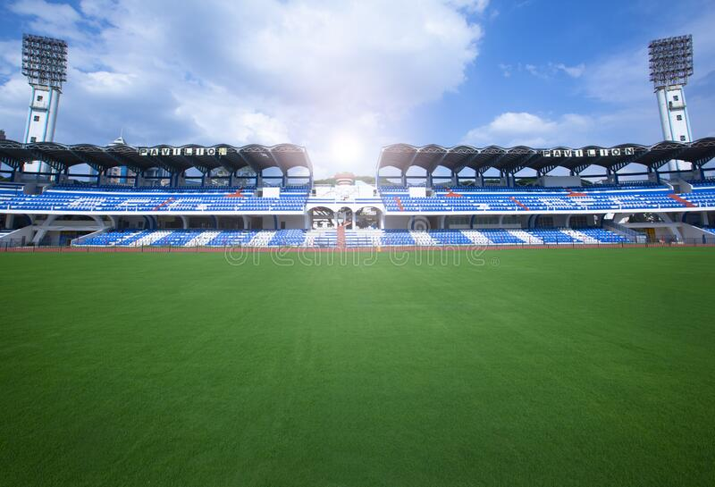

Excel IPL Dashboard

City with count of matches
 | Total
Mumbai | 101
Kolkata | 77
Bengaluru | 77
Delhi | 73
Hyderabad | 64
IPL season with no of matches played
 | Total
IPL-2013 | 76
IPL-2012 | 74
IPL-2011 | 72
IPL-2018 | 60
IPL-2016 | 60
IPL-2010 | 60
IPL-2017 | 59
IPL-2019 | 58
IPL-2008 | 58
IPL-2015 | 57
IPL-2009 | 57
IPL-2014 | 53

Matches vs Stadium(top 5)
 | Total
Eden Gardens | 77
Wankhede Stadium | 73
M.Chinnaswamy Stadium | 71
Feroz Shah Kotla | 66
Rajiv Gandhi International Stadium, Uppal | 56
Top 5 players with most number of man of the match awarded
 | Total
CH Gayle | 21
AB de Villiers | 20
RG Sharma | 17
MS Dhoni | 17
DA Warner | 17

Toss Decision
 | Total
bat | 38.84%
field | 61.16%

Favouite Umpire
HDPK Dharmasena & C Shamshuddin

IPL teams wins
 | Total
Mumbai Indians | 109
Chennai Super Kings | 98
Kolkata Knight Riders | 92
Deccan Chargers | 85
Royal Challengers Bengaluru | 83
Kings XI Punjab | 81
Rajasthan Royals | 75
Delhi Daredevils | 75
Rising Pune Supergiant | 15
Gujarat Lions | 13
Pune Warriors | 12
Kochi Tuskers Kerala | 6

